Sheet1
Wednesday, July 16th | Shayla Ghose
Changed Volcano Plot Scripts, using 0.1_log2F | Output Image: | Description of Change:

width = 15, height = 6, dpi = 800 |  | extended width and shortened height, clearer image.

Publication 4.4 script:
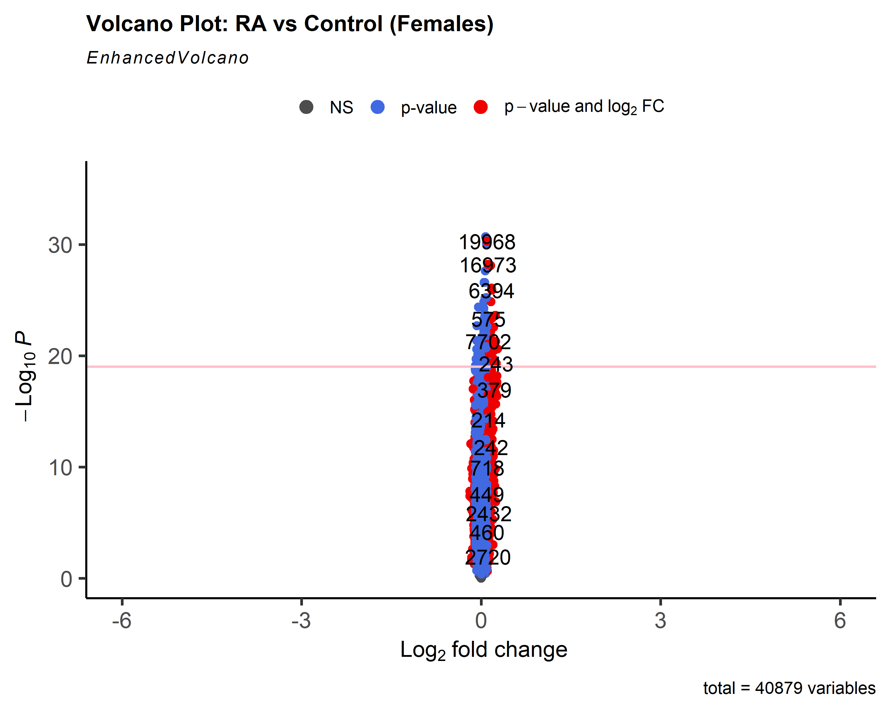 colAlpha = 1, cutoffLineType = 'blank', cutoffLineCol = 'black', cutoffLineWidth = 0.8, hline = c(10e-20, 10e-20 * 10e-30, 10e-20 * 10e-60, 10e-20 * 10e-90), hlineCol = c('pink', 'hotpink', 'purple', 'black'), hlineType = c('solid', 'longdash', 'dotdash', 'dotted'), hlineWidth = c(1.0, 1.5, 2.0, 2.5), gridlines.major = FALSE, gridlines.minor = FALSE) |  | condensed volcano plot, dot and label size is changed, cannot see non significant genes properly, presentation is no longer visually effective (because of more strigid p-value from publication script)

width = 3, height = 10, dpi = 200 |  | lengthened height, shortened width, less clear image

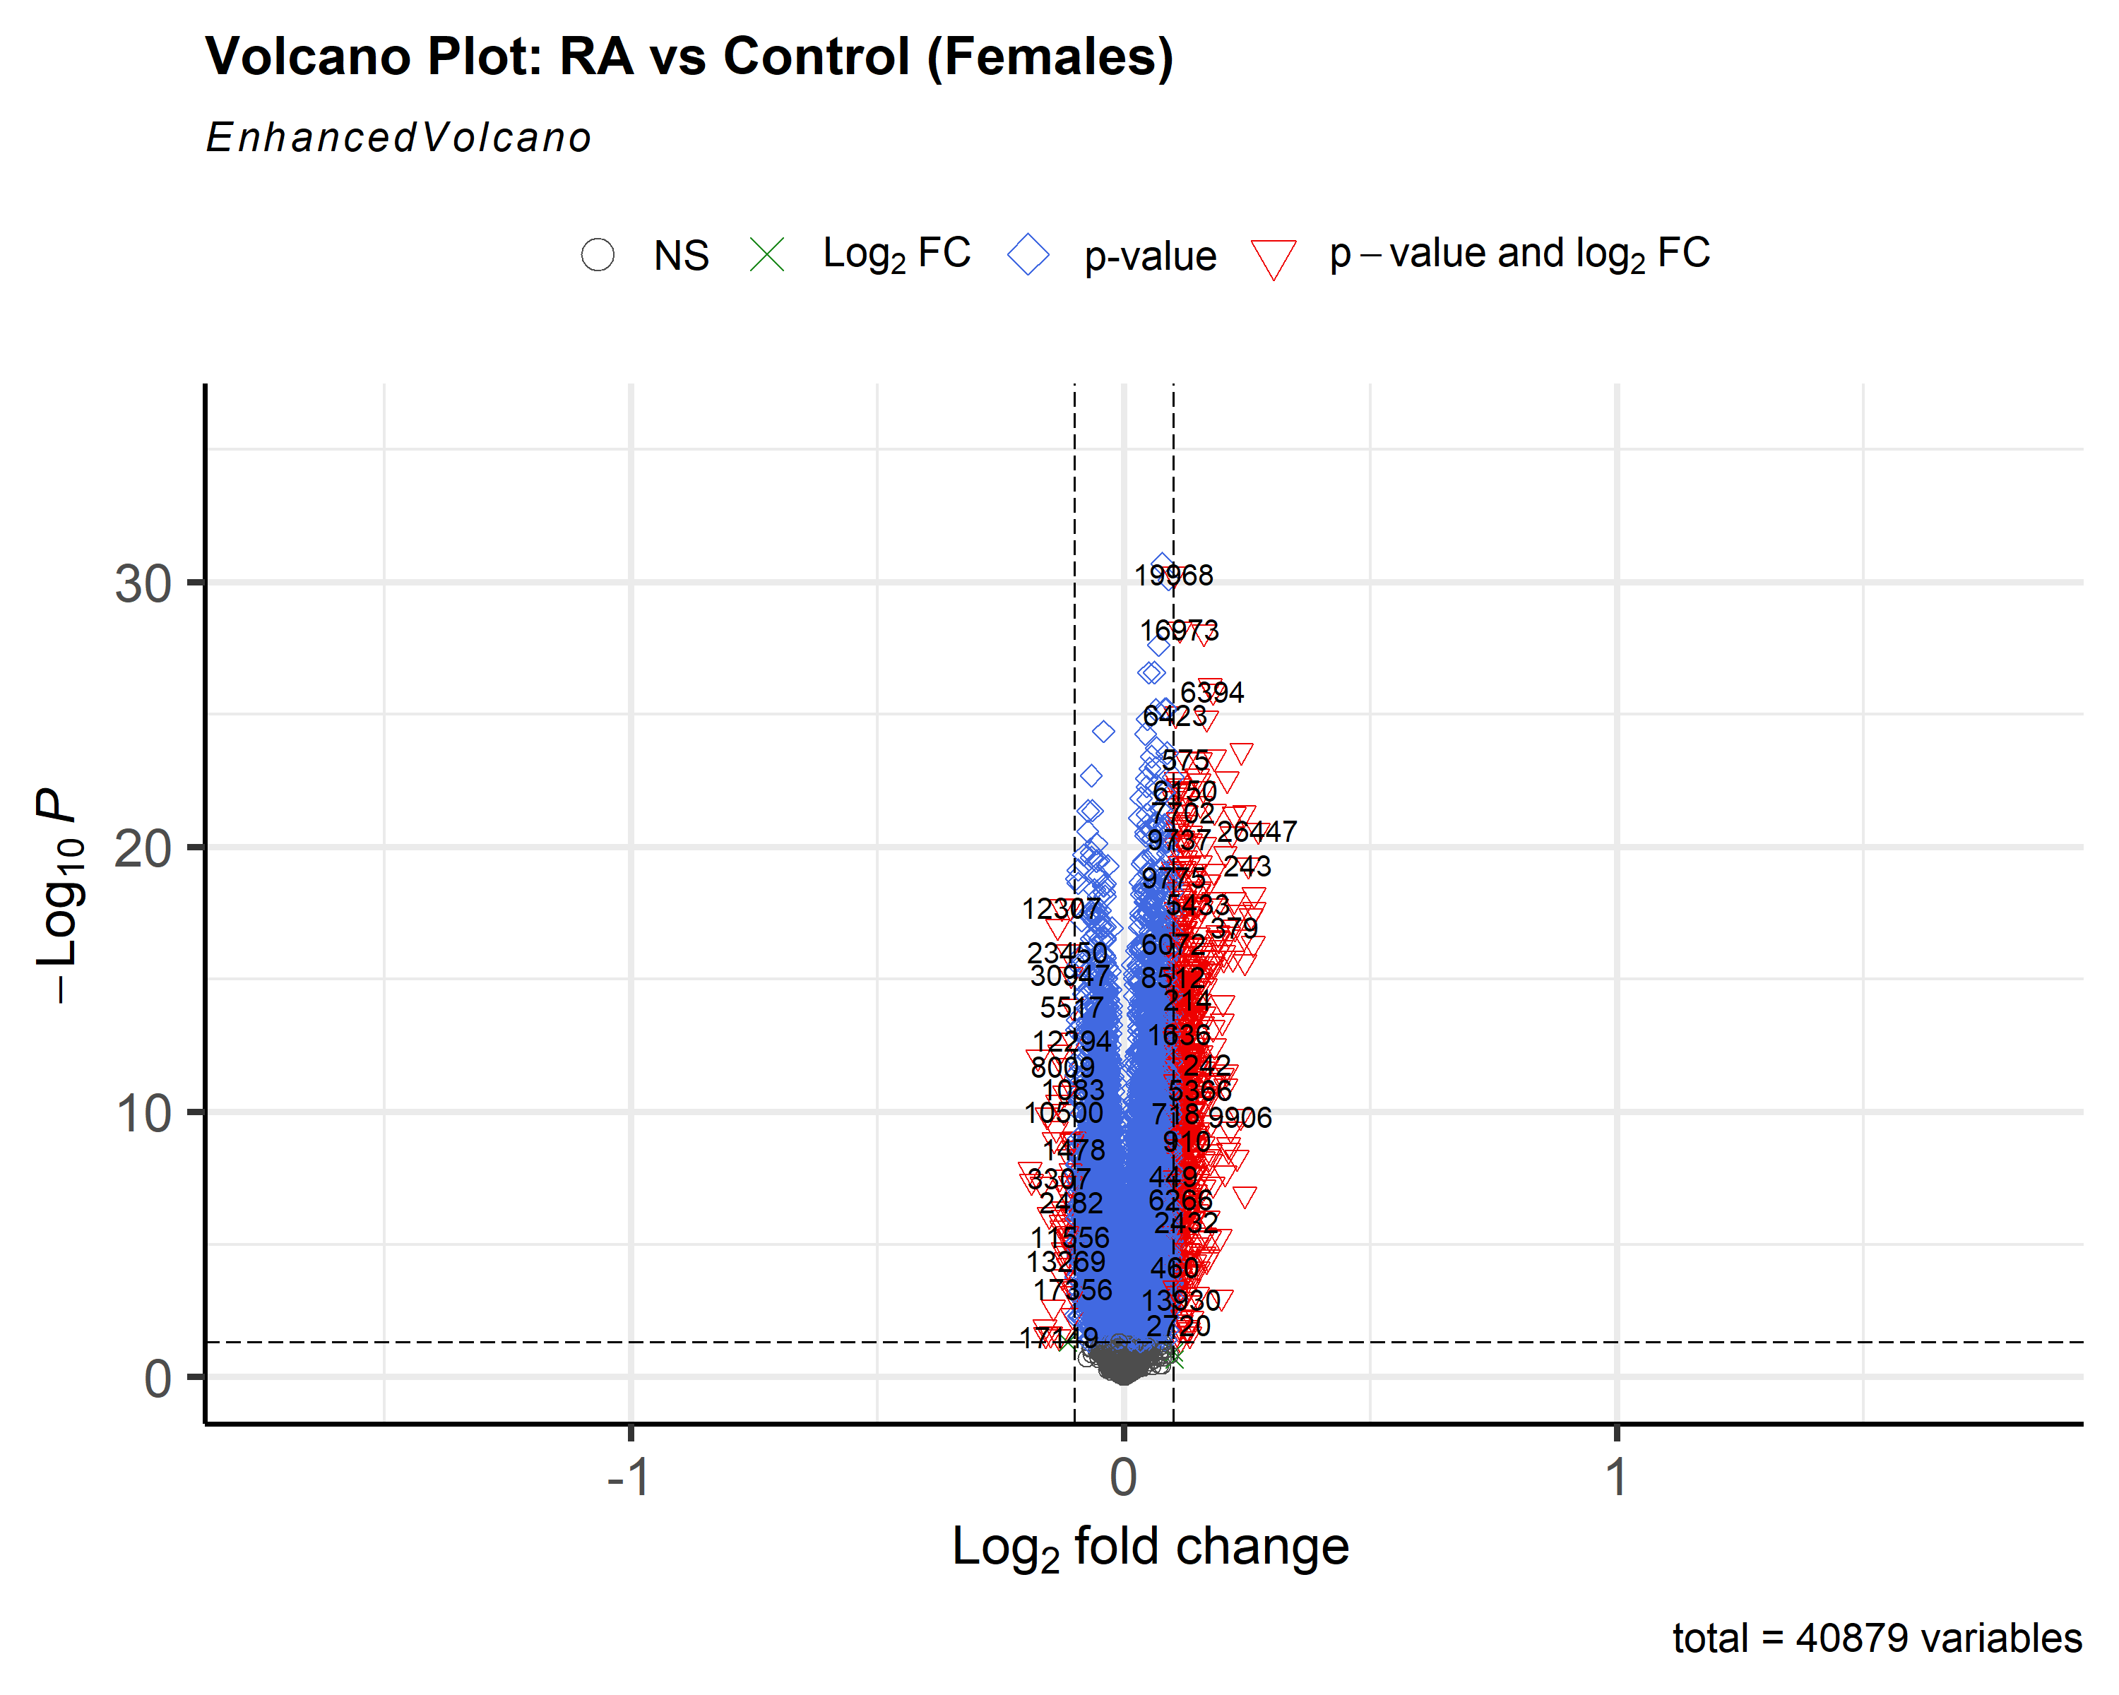
Publication 4.3 script:
shape = c(1, 4, 23, 25), colAlpha = 1)

 |  | nonsignificant vs significant genes were all represented by different shapes

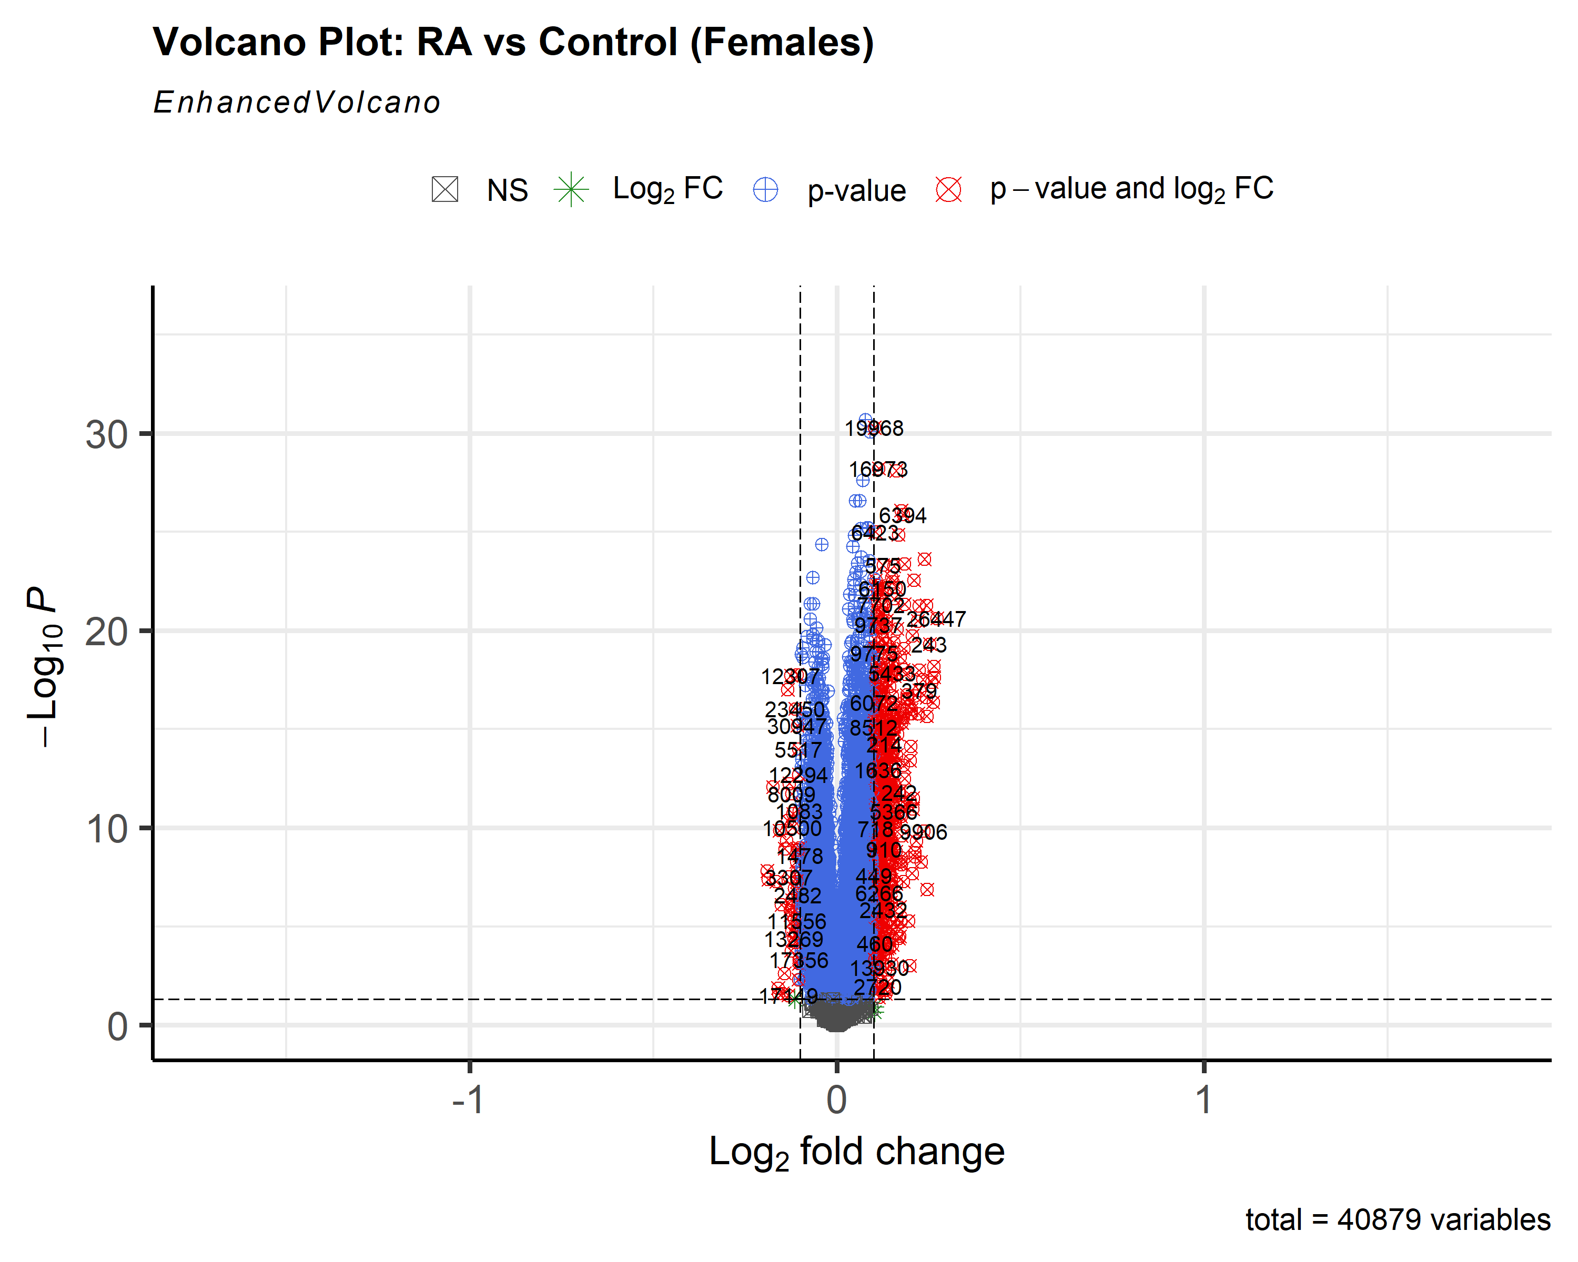
shape = c(7, 8, 10, 13), colAlpha = 1)

 |  | used even more different shapes by researching the ggplot2 reference for shapes
Publication 4.4 script:
colAlpha = 1, cutoffLineType = 'blank', cutoffLineCol = 'black', cutoffLineWidth = 0.8, hline = c(0.02, 0.02 * 0.03, 0.02 * 0.04), hlineCol = c('pink', 'hotpink', 'purple'), hlineType = c('solid', 'longdash', 'dotdash'), hlineWidth = c(1.0, 1.5, 2.0), gridlines.major = FALSE, gridlines.minor = FALSE) | 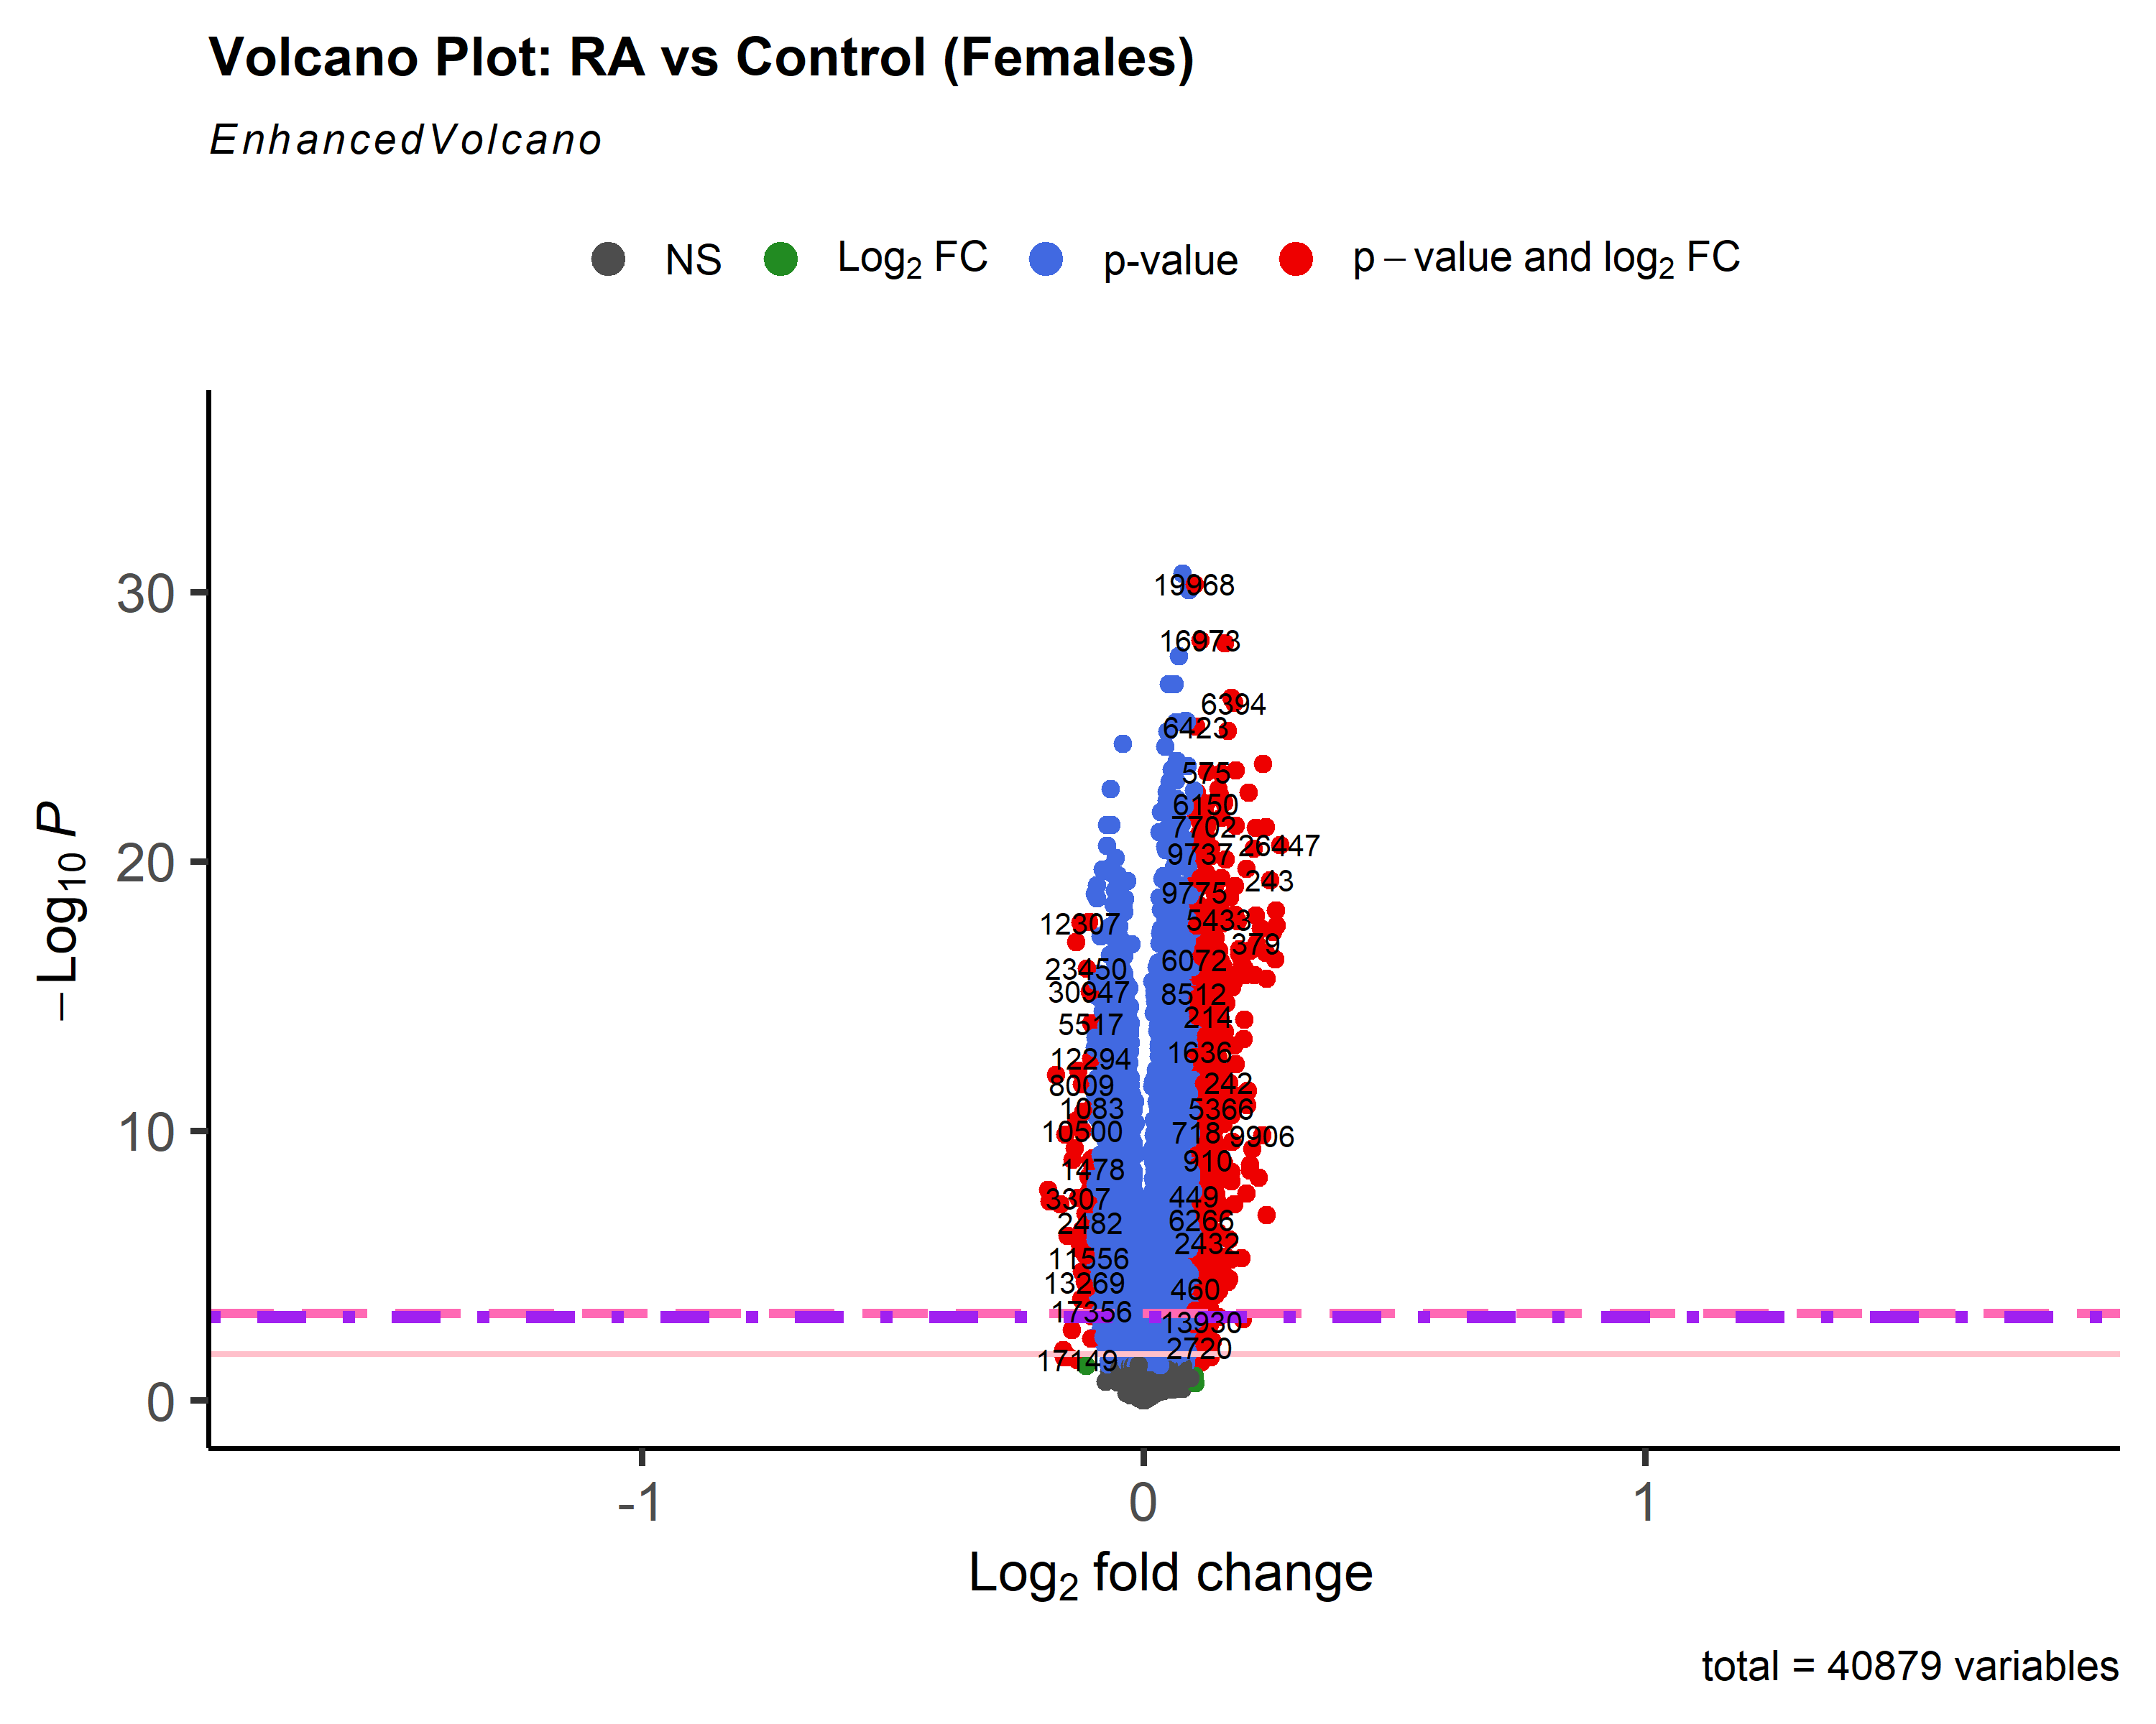 | added more threshold lines and adjusted their shape and color
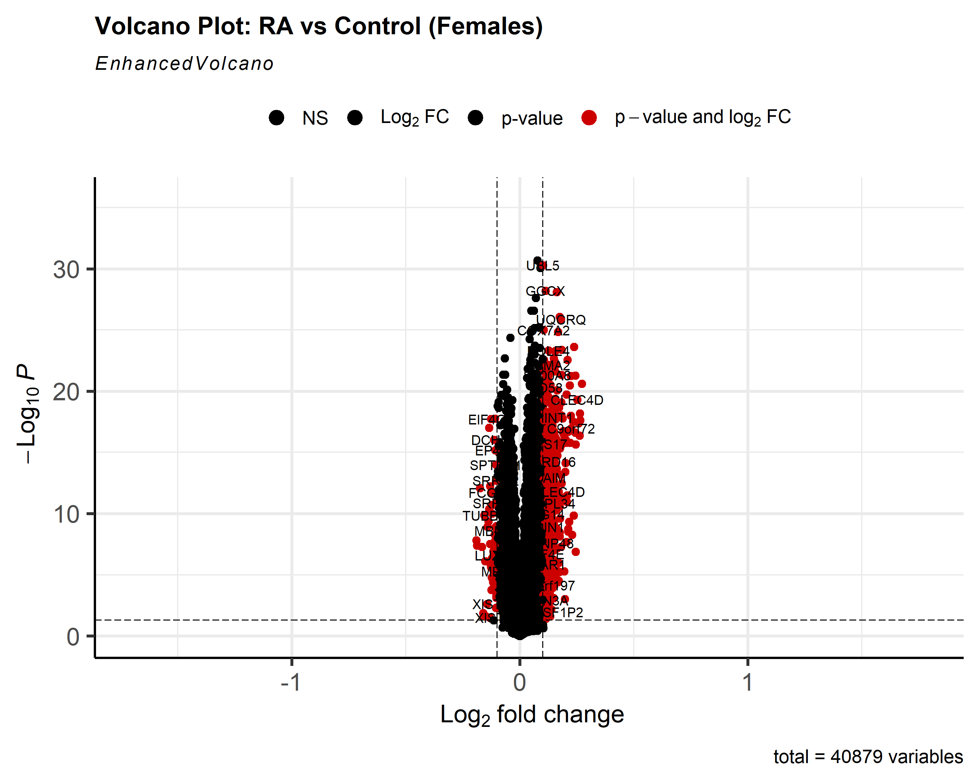
Publication 4.2 script:
col=c('black', 'black', 'black', 'red3'), colAlpha = 1)

Publication 4.5 script: |  | changed the color of the dots representing genes so that only those with a significant log2fold change compared to normal are red, everything else is black
colAlpha = 1, legendLabels=c('Not sig.','Log (base 2) FC','p-value', 'p-value & Log (base 2) FC'), legendPosition = 'right', legendLabSize = 16, legendIconSize = 5.0) | 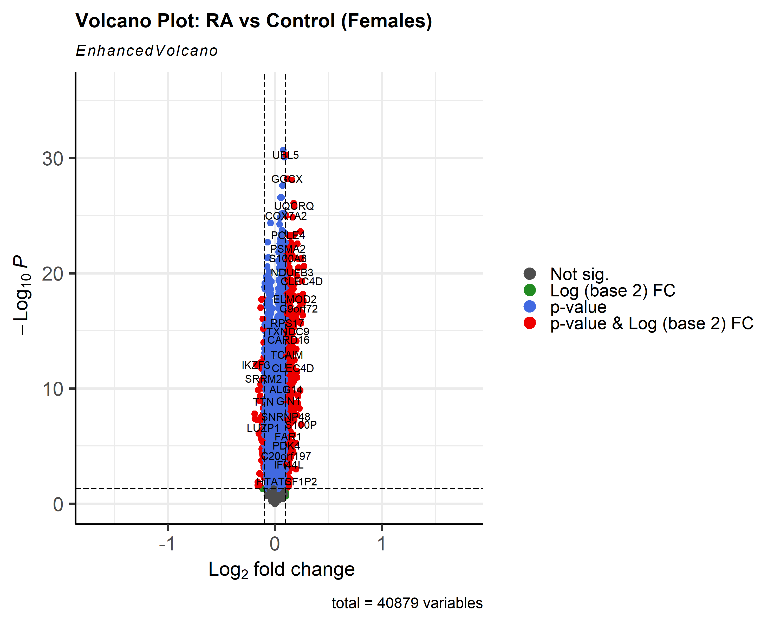

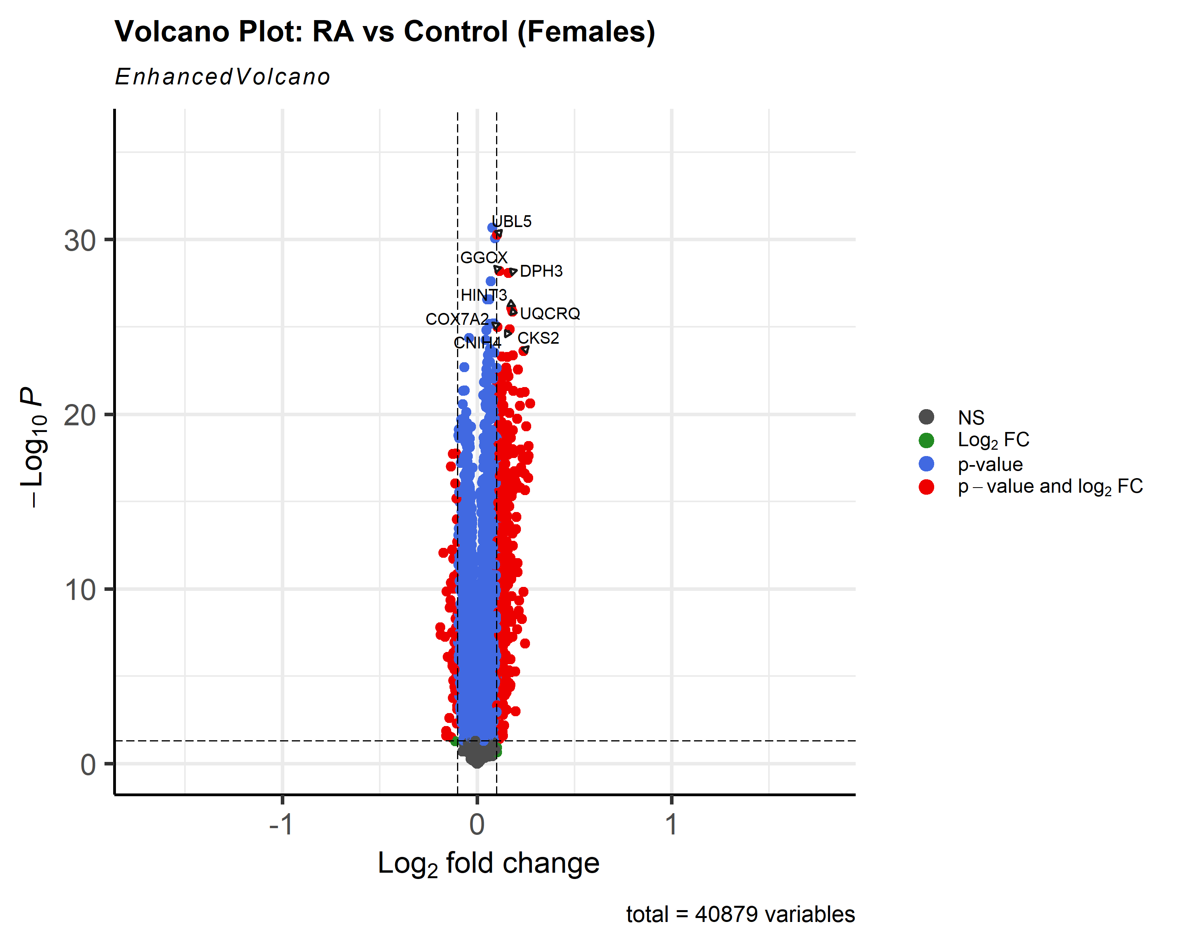
 |  | changing the legend and its position
Publication 4.6 script:
colAlpha = 1, legendPosition = 'right', legendLabSize = 12, legendIconSize = 4.0, drawConnectors = TRUE, widthConnectors = 0.75)

 |  | add connectors to genes and their respective labels to make room for more labels, however this makes for a more crowded look
Publication 4.8 script:
labCol = 'black', labFace = 'bold', boxedLabels = TRUE, colAlpha = 4/5, legendPosition = 'right', legendLabSize = 14, legendIconSize = 4.0, drawConnectors = TRUE, widthConnectors = 1.0, colConnectors = 'black') | 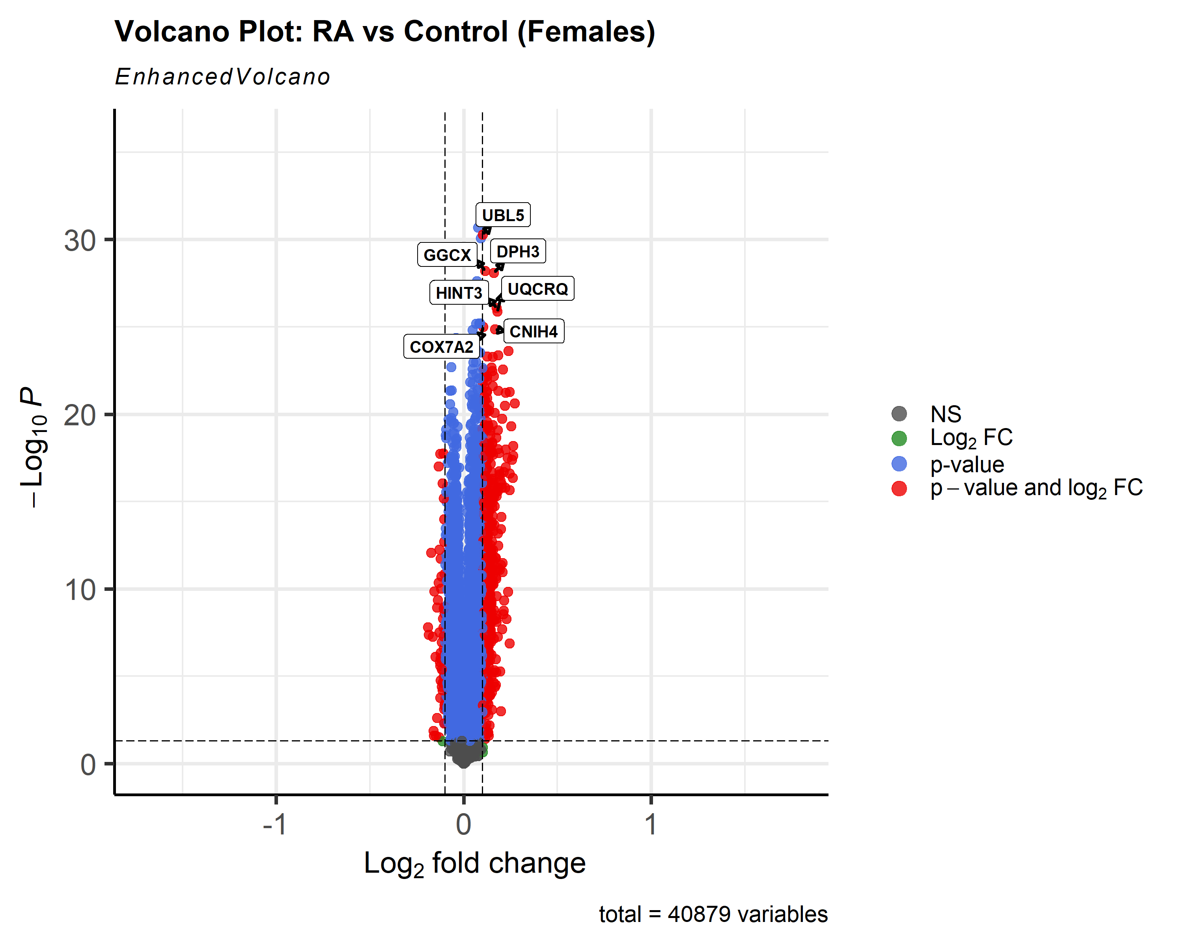

 |  | adding boxes around gene symbols for a better look of clarity
Publication 4.8 script:
labCol = 'red', labFace = 'bold', boxedLabels = TRUE, colAlpha = 4/5, legendPosition = 'right', legendLabSize = 14, legendIconSize = 4.0, drawConnectors = TRUE, widthConnectors = 1.0, colConnectors = 'red') | 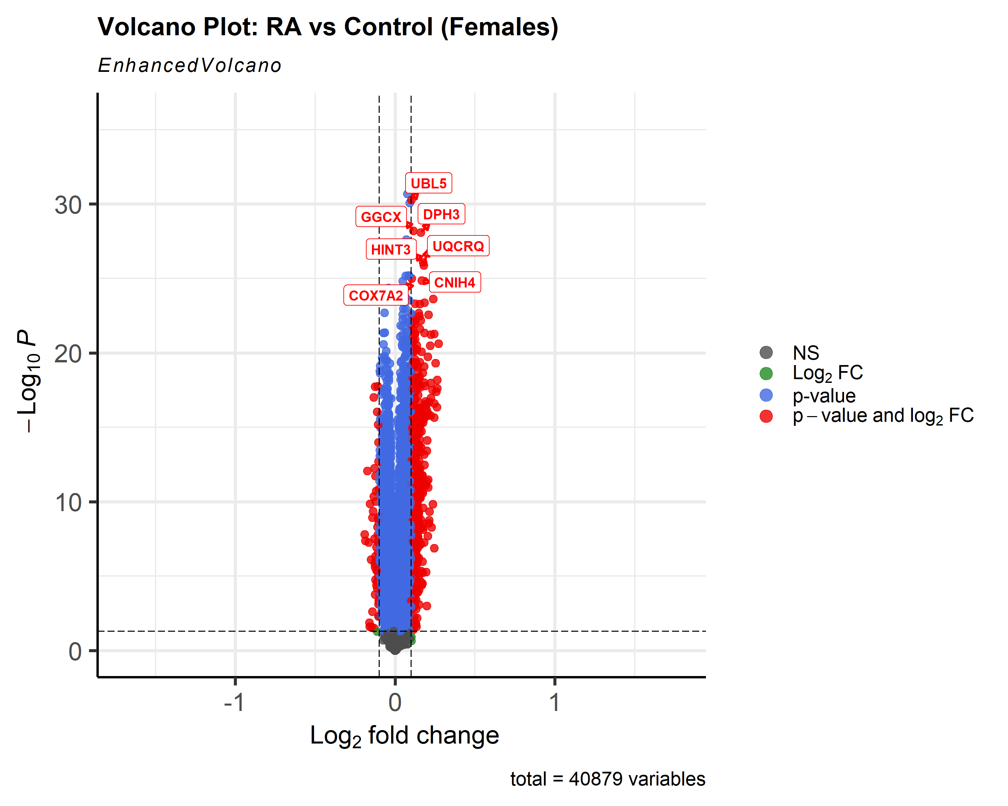

 |  | changing gene symbol color and its box color
Publication 4.9 script:
labCol = 'black', labFace = 'bold', boxedLabels = TRUE, parseLabels = TRUE, col = c('black', 'pink', 'purple', 'red3'), colAlpha = 4/5, legendPosition = 'bottom', legendLabSize = 14, legendIconSize = 4.0, drawConnectors = TRUE, widthConnectors = 1.0, colConnectors = 'black') + coord_flip() | 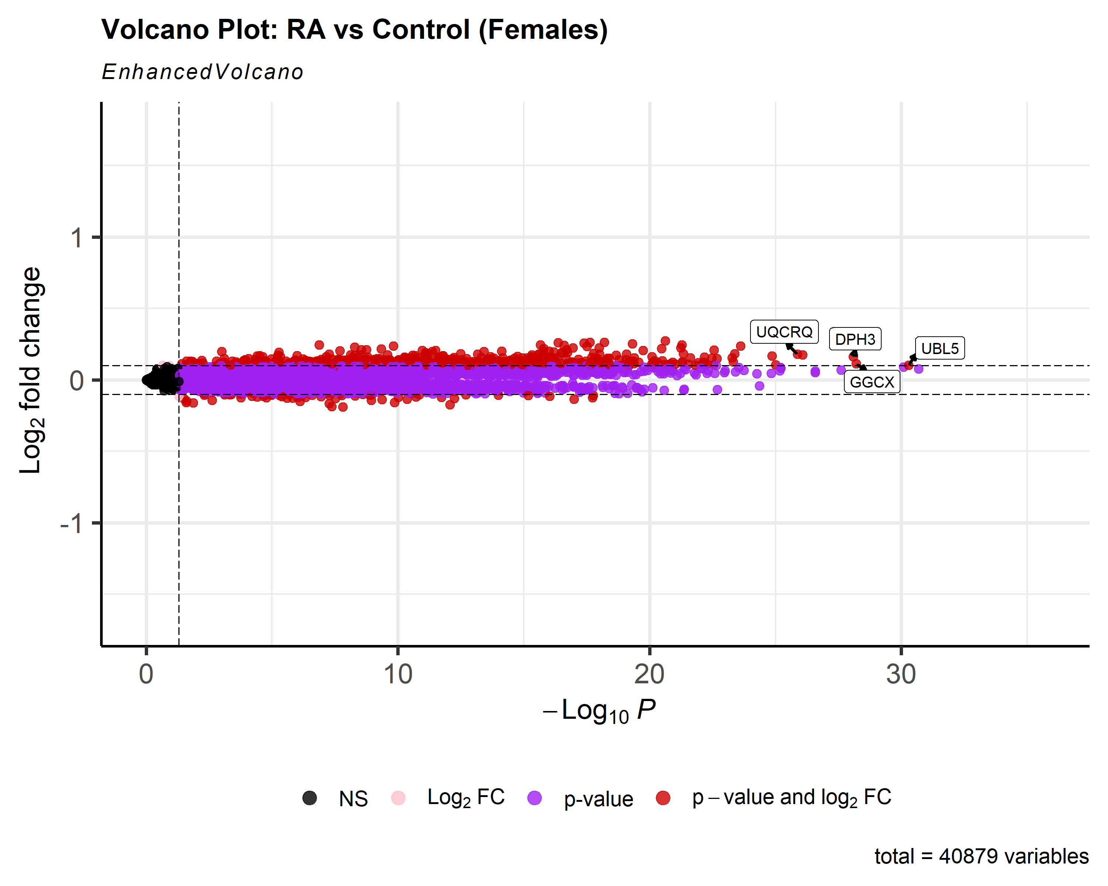 | changing color of certain variables and flipping volcano on side for a table view. (gene symbols are still boxed for an organized view)

Publication 4.14 script:
keyvals <- ifelse( data$logFC < 0.1, 'royalblue', ifelse(data$logFC > 0.1, 'gold', 'black')) keyvals[is.na(keyvals)] <- 'black' names(keyvals) <- rep('mid', length(keyvals)) names(keyvals)[keyvals == 'gold'] <- 'high fc' names(keyvals)[keyvals == 'royalblue'] <- 'low fc'
shape = c(6, 4, 2, 11), colCustom = keyvals, colAlpha = 1, legendPosition = 'left', legendLabSize = 15, legendIconSize = 5.0, drawConnectors = TRUE, widthConnectors = 1.0, colConnectors = 'black', arrowheads = FALSE, gridlines.major = TRUE, gridlines.minor = FALSE, border = 'partial', borderWidth = 1.5, borderColour = 'black') | 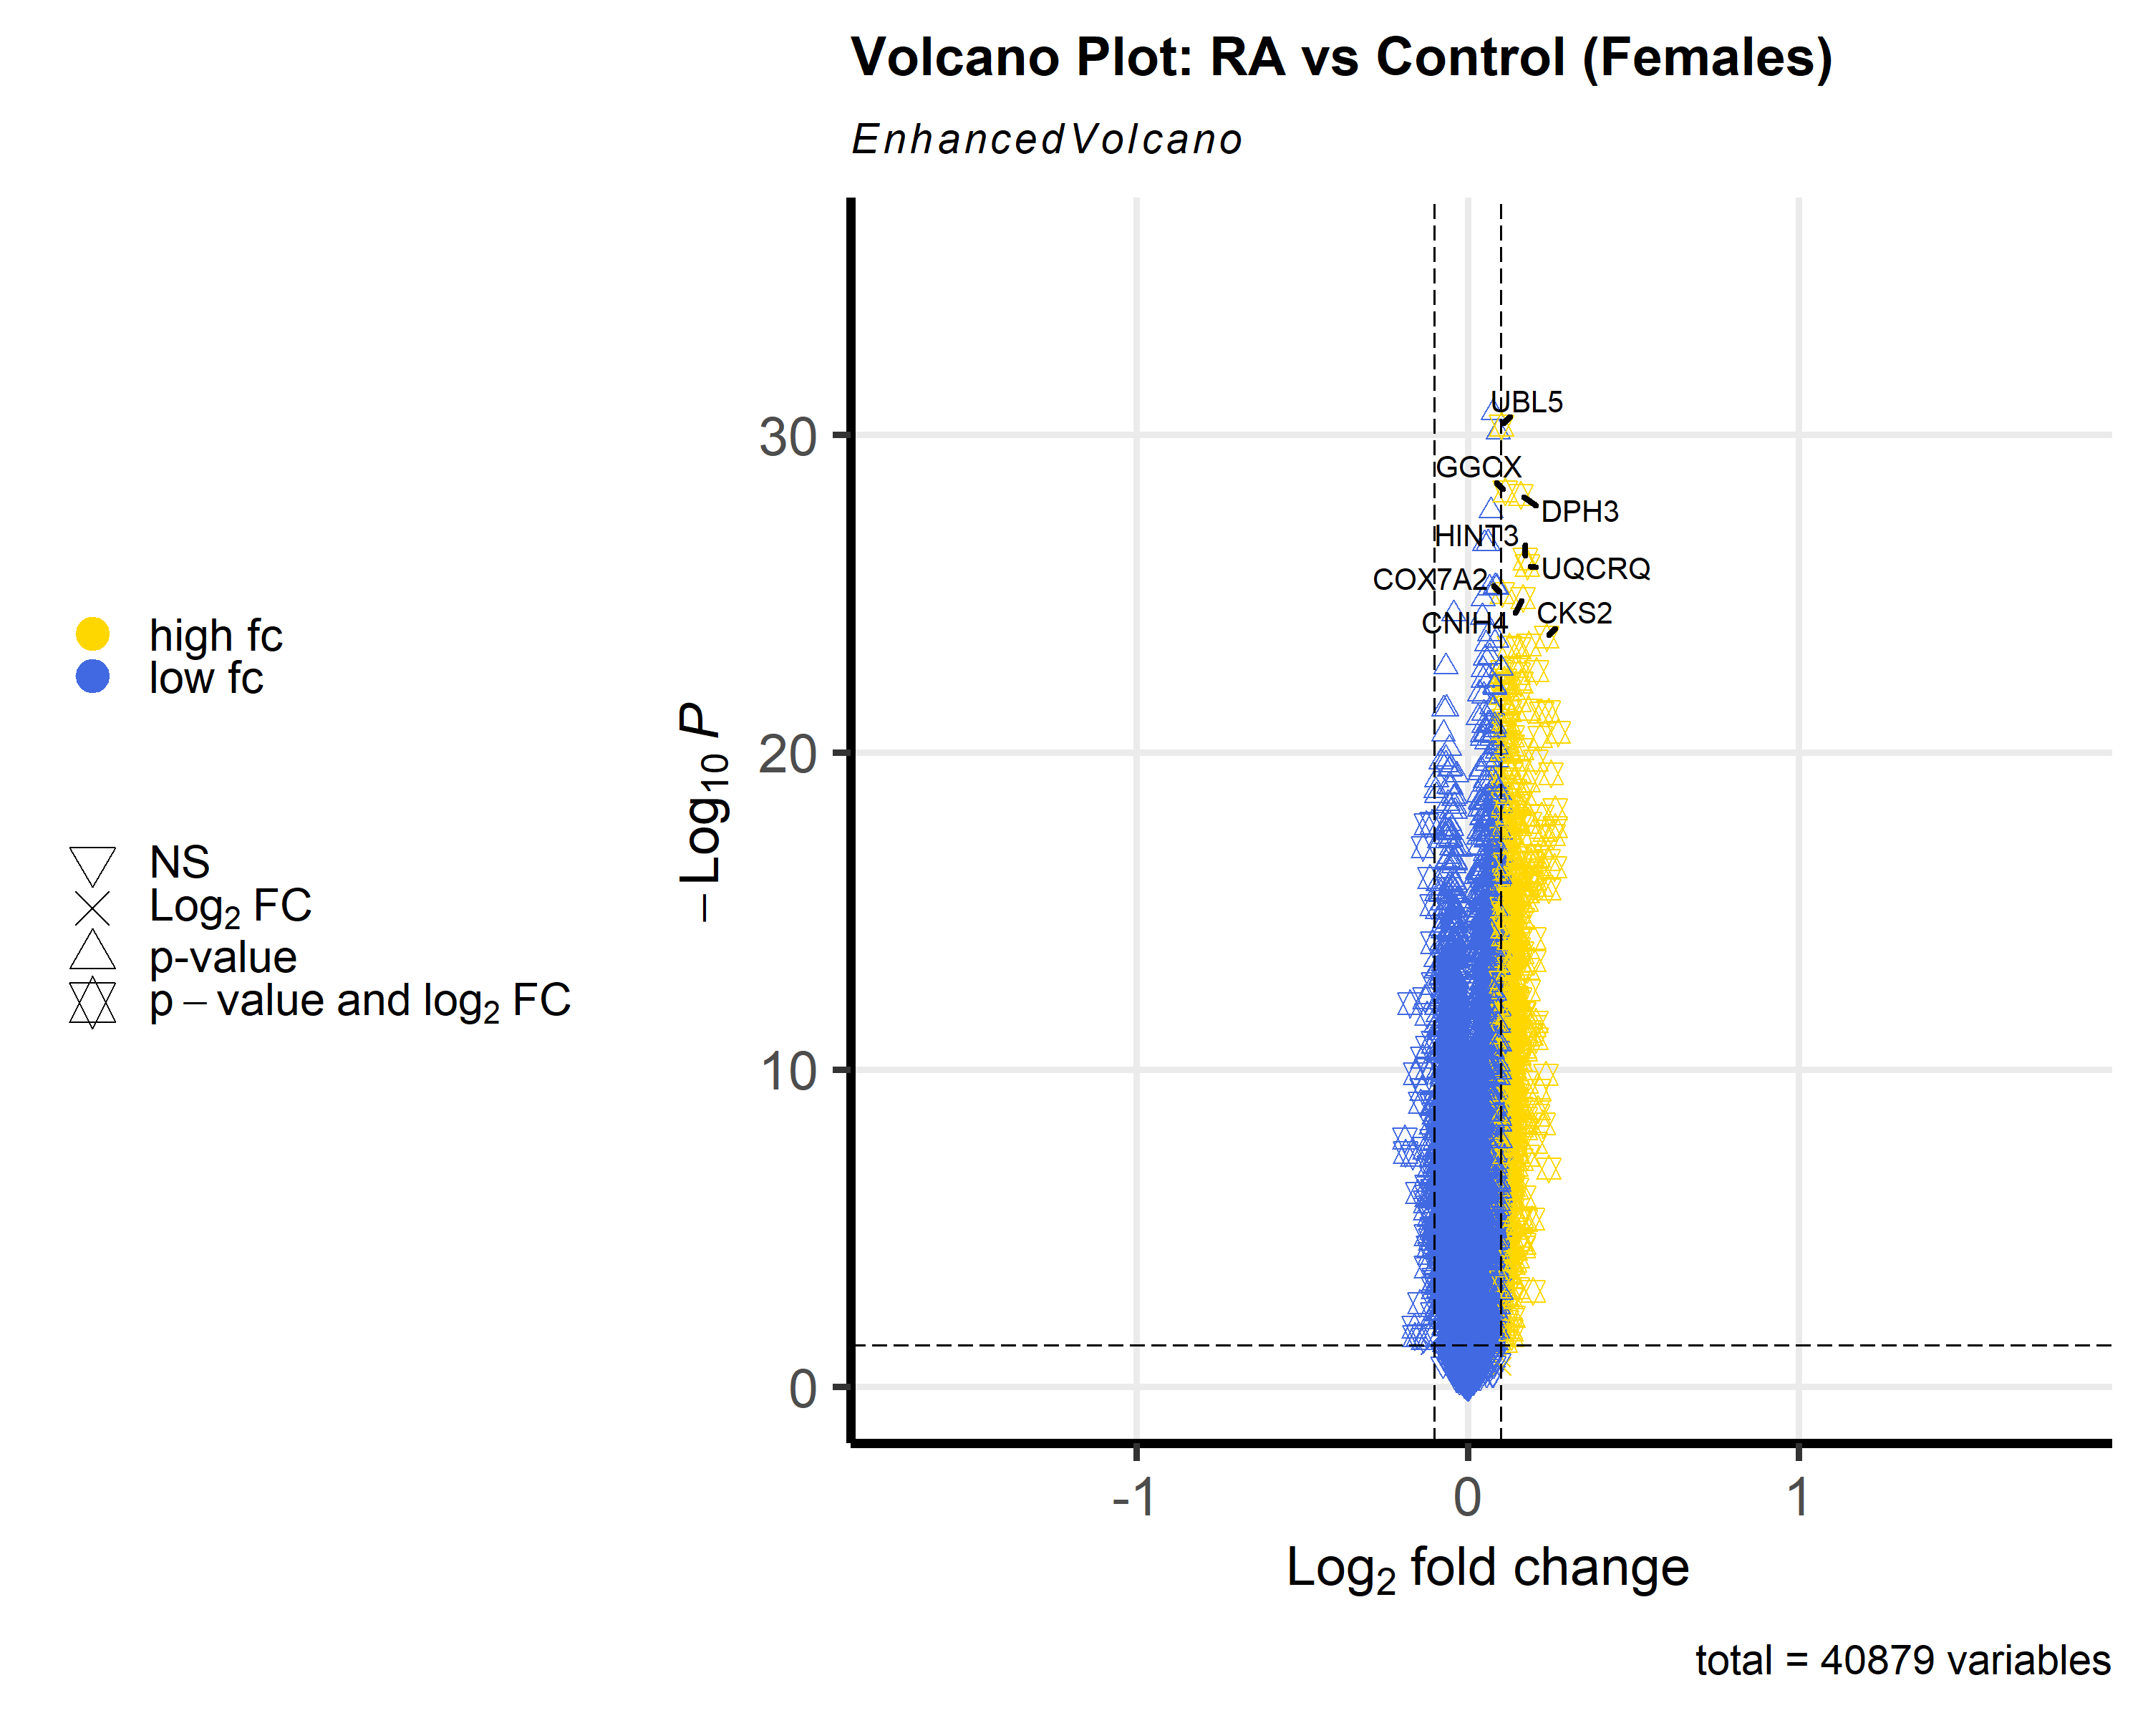 | custom color scheme with different shapes; colors represent high or low fc (up or down regulation)

